5a Affiliate Allocations
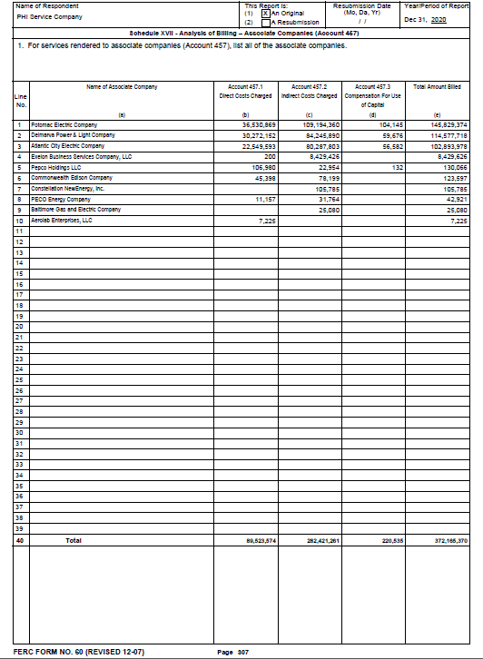
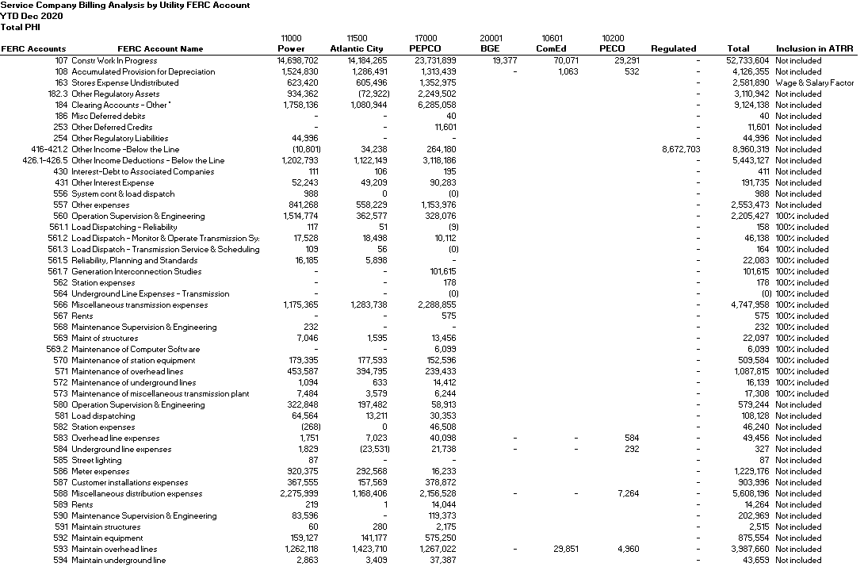
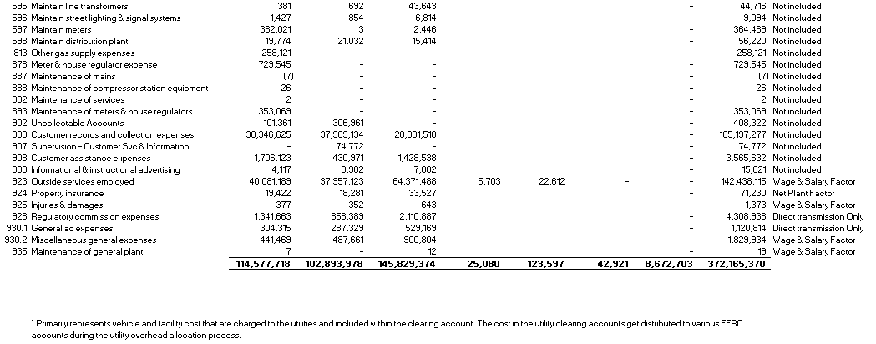
Atlantic City Electric Company

Attachment 5a - Allocations of Costs to Affiliate

 | Delmarva | Atlantic
 | Power | City | Pepco | Other | Total

Executive Management | 2,038,206 | 1,938,277 | 3,587,812 | 4,488 | 7,568,783

Support Services | 9,111,712 | 7,429,687 | 17,048,294 | 8,536,253 | 42,125,946

Financial Services | 6,669,097 | 5,986,599 | 10,832,714 | 6,024 | 23,494,434

Human Resources | 2,479,794 | 1,735,007 | 3,771,914 | - | 7,986,714

Legal Services | 1,312,479 | 1,036,747 | 2,040,837 | 54,521 | 4,444,583

Customer Services | 36,193,093 | 33,375,438 | 26,420,424 | - | 95,988,955

Information Technology | 12,442,508 | 11,917,474 | 19,572,162 | 4,075 | 43,936,220

Government Affairs | 3,386,931 | 4,107,303 | 5,416,256 | 54,859 | 12,965,349

Communication Services | 1,677,040 | 1,561,418 | 2,867,997 | 2,998 | 6,109,452

Regulatory Services | 7,510,383 | 6,654,154 | 10,057,484 | 2,003 | 24,224,025

Regulated Electric and Gas Operation Services | 31,051,003 | 26,469,194 | 42,719,819 | 198,900 | 100,438,916

Supply Services | 705,473 | 682,680 | 1,493,661 | 179 | 2,881,993

Total | $114,577,718 | $102,893,978 | $145,829,374 | $8,864,300 | $372,165,370

